CV
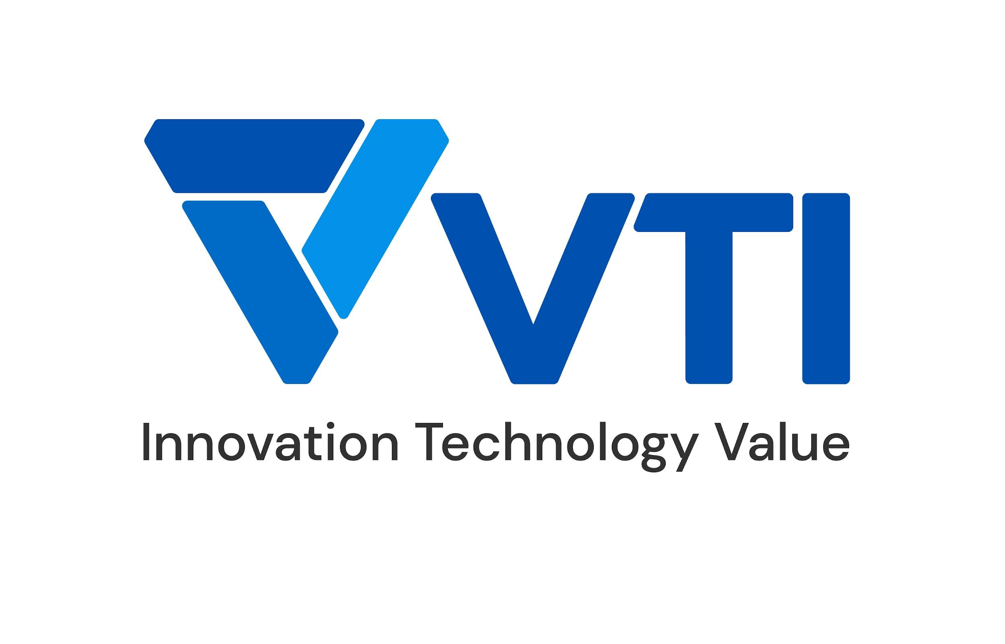 | CURRICULUM VITAE
PERSONAL DETAIL
Name | Bui Manh Phuc
Nationality | Vietnamese
DOB | 2000
Sex | Male
Seniority | 2 years
ABOUT
- 1 year of experience in CI/CD pipeline deployment. - 2.5 year of experience in Operating System troubleshootings. - 3 year of experience in system monitoring (Clould/On-premise) - Experienced in PC hardware building, AP networking

EDUCATIONAL BACKGROUND
2018-2023 |  | PTIT Post and Telecommunication Institute of Technology - Information and Technology

CERTIFICATION
09/2024- 09/2027 |  | AWS Certified SysOps Administrator
04/2024- 04/2026 |  | IELTS International English Language Testing System - 8.0
Oct-22 |  | Ministry of Information and Communication - Certificate of Merit
05/2020 - 05/2022 |  | IELTS International English Language Testing System - 7.0

LANGUAGE
Vietnamese |  | Native
English |  | Fluent

TECHNICAL SKILL
Programming language |  | Python, SQL, Bash Script, PowerShell
Automation/Orchestration tool |  | Jenkins, GitHub CI
Microservices |  | Docker
OS |  | Windows, Linux, Android
Database |  | MySQL, MSSQL
Public Cloud |  | GCP, OCI, DigiOcean

EXPERIENCE
FCCL (Jun.2024 - now)
Customer |  | Global Customer (Japan)
Description |  | Follow task Guidelines, 247 Monitoring
Team Size |  | 10
My Position |  | Technician
My Responsibilites |  | - Resolve ticketed issues - Diagnose and monitor possible problem - Round the clock 24/7 monitoring
Technologies Used |  | Windows, Linux, Redmine, MSSQL, MS Office

Ashisuto (Jun.2024 - now)
Customer |  | Global Customer (Japan)
Description |  | AWS services support
Team Size |  | 8
My Position |  | Technician
My Responsibilites |  | - Resolve ticketed issues - Guideline and resolution proposal for AWS resources
Technologies Used |  | Windows, Linux, RedHat, AWS Workspace, MS Office

Community Helpdesk (Jan.2020 - now)
Customer |  | Online users
Description |  | Remote troubleshooting and diagnostic on end-user systems
Team Size |  | 10
My Position |  | Helpdesk Technician
My Responsibilites |  | - Resolve hardware issues - Diagnose and monitor possible bottlenecks - Onsite troubleshooting and remedy
Technologies Used |  | Windows, WinPE

ArrowOS AOSP (2019 - 2022)
Customer |  | Android Phone user
Description |  | Design & build CI for Android AOSP ROM compilation
Team Size |  | 5
My Position |  | Pipeline engineer
My Responsibilites |  | - Design infrastructure architecture on OCI and On-Premise - Implement docker for automated platform build - Design & apply CI/CD process - Build & Manage Jenkins, customizing for batch operations - Shell script for automated environment initialization
Technologies Used |  | Docker, OCI, Jenkins, Bash

I declare that the above information is accurate.

